Shopenzer Testcases
 |  |  |  | Date | 2022-11-19
 |  |  |  | Team ID | PNT2022TMID48373
 |  |  |  | Project Name | AI-Powered Nutrition Analyzer for fitness enthusiasts
 |  |  |  | Maximum Marks | 4 marks
Test case ID | Feature Type | Component | Test Scenario | Pre-Requisite | Steps To Execute | Test data | Expected Result | Actual Result | Status | TC for Automation(Y/N) | BUG ID | Executed By
TC01 | Functional | loginPage | Verify user is able to log into application with Valid credentials | HTML,CSS,JAVASCRIPT, PYTHON | 1.Enter URL and click go 2.Click on My Account dropdown button 3.Enter Valid username/email in Email text box 4.Enter valid password in password text box 5.Click on login button | username: huban password: huban12@ | Application should show login successful | Working as expected | Pass | Y |  | k.FRANCISHUBAN
TC02 | functional | login Page | Verify user is able to log into application with InValid credentials | HTML,CSS,JAVASCRIPT, PYTHON | 1.Enter URL and click go 2.Click on My Account dropdown button 3.Enter InValid username/email in Email text box 4.Enter valid password in password text box 5.Click on login button | username: huban password: huban123@ | Apllication should display login unsuccessful | Working as expected | Fail | Y |  | E.R.GOWSHIGAN
TC03 | Functional | register page | user enters his valid details to register into the platform for further accessing | HTML,CSS,JAVASCRIPT, PYTHON | 1.Enter and click go 2.Click on My Account dropdown button 3.create a Valid username 4.enter a valid email id 5.Enter valid password in password text box 6.Click on register button | Username:harry Email:harry17@gmail.com password: 1234@ | Application should show correct email or password ' validation succes' | Working as expected | pass | Y |  | S.K.GNAPATHYRAM
TC04 | Functional | register page | user enters his Invalid details to register into the platform for further accessing | HTML,CSS,JAVASCRIPT, PYTHON | 1.Enter and click go 2.Click on My Account dropdown button 3.Enter InValid username/email in Email text box 4.Enter Invalid password in password text box 5.Click on login button | Username:harry Email:harry17@gmail.com password: 1234@ | Application should show 'Incorrect email or password ' validation message. | Working as expected | fail | Y |  | S.ABBASS NOOR MOHAMED
TC05 | Functional | NUTRITION ANALYZER | provides the nutritional value of the given food | HTML,CSS,JAVASCRIPT, PYTHON | 1.Enter URL and click go 2.click on my account dropdown button 3.complete the login activity 4.enter the dashboard and upload the image to be processed 5.image values are analyzed and displayed | 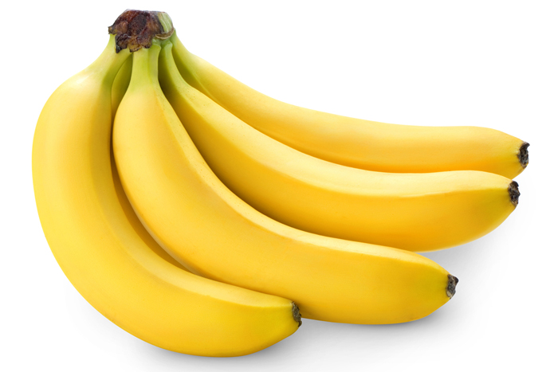 | Food Classified is: BANANA [('sugar g': 12.3, 'fiber g': 2.6, 'serving size g: 100.0, 'sodium mg": 1, "name": 'banana'. potassium mg': 22, "fat saturated g": 0.1, "fat total g': 0.3. 'calories": 89.4, cholesterol mg': 0, 'protein g': 1.1, 'carbohydrates total g': 23.2}] | Food Classified is: BANANA [('sugar g': 12.3, 'fiber g': 2.6, 'serving size g: 100.0, 'sodium mg": 1, "name": 'banana'. potassium mg': 22, "fat saturated g": 0.1, "fat total g': 0.3. 'calories": 89.4, cholesterol mg': 0, 'protein g': 1.1, 'carbohydrates total g': 23.2}] | pass | Y |  | K.FRANCISHUBAN
home page
TC06 | UI | home page | helps the user to know well about the platform and to navigate to the application | HTML,CSS,JAVASCRIPT | 1.Enter URL and click go 2.click on my account dropdown button 3.Verify login/Singup popup displayed or not | FOUR CARDS TO NAVIGATE | User should navigate to user account homepage | NAVIGATION PASSED | pass | N |  | E.R.GOWSHIGAN
TC07 | functional | BMI CALCULATOR | helps to calculate the body mass index of the person | HTML, CSS, JAVASCRIPT | 1.Enter URL and click go 2.click on my account dropdown button 3.complete the login activity 4.click on to dashboard activity 5.select the BMI and calculate | USER:1 HEIGHT:175CM WEIGHT:60KG | BMI:19.3 | 19.29 | pass | N |  | S.K.GNAPATHYRAM
TC08 | Functional | NUTRITION ANALYZER | provides the nutritional value of the given food | HTML,CSS,JAVASCRIPT, PYTHON | 1.Enter URL and click go 2.click on my account dropdown button 3.complete the login activity 4.enter the dashboard and upload the image to be processed 5.image values are analyzed and displayed | 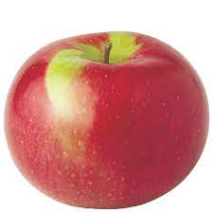 | FFood Classified is: APPLES [{"sugar_g": 10.3, 'fiber g': 2.4, 'serving size g: 100.0, sodium mg":1, 'name': 'apples', 'potassium mg: 11, "fat saturated g": 0.0, 'fat total g': 0.2. calories': 53.4, 'cholesterol mg': 0, "protein g': 0.3, 'carbohydrates total g': 13.8)] | FFood Classified is: APPLES [{"sugar_g": 10.3, 'fiber g': 2.4, 'serving size g: 100.0, sodium mg":1, 'name': 'apples', 'potassium mg: 11, "fat saturated g": 0.0, 'fat total g': 0.2. calories': 53.4, 'cholesterol mg': 0, "protein g': 0.3, 'carbohydrates total g': 13.8)] | pass | Y |  | S.K.GNAPATHYRAM
TC09 | Functional | NUTRITION ANALYZER | provides the nutritional value of the given food | HTML,CSS,JAVASCRIPT, PYTHON | 1.Enter URL and click go 2.click on my account dropdown button 3.complete the login activity 4.enter the dashboard and upload the image to be processed 5.image values are analyzed and displayed | 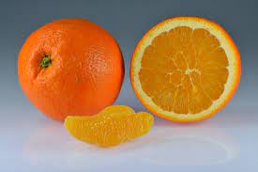 | Food Classified is: ORANGE [('sugar g': 8.4, 'fiber g': 2.2, 'serving size g: 100.0, sodium mg": 1, "name": 'orange, potassium mg': 23, "fat saturated g": 0.0, 'fat total g': 0.1, 'calories": 50.4, 'cholesterol mg': 0, 'protein g': 0.9, 'carbohydrates total g': 12.4}] | Food Classified is: ORANGE [('sugar g': 8.4, 'fiber g': 2.2, 'serving size g: 100.0, sodium mg": 1, "name": 'orange, potassium mg': 23, "fat saturated g": 0.0, 'fat total g': 0.1, 'calories": 50.4, 'cholesterol mg': 0, 'protein g': 0.9, 'carbohydrates total g': 12.5}] | pass | y |  | k.FRANCISHUBAN

